Sheet1
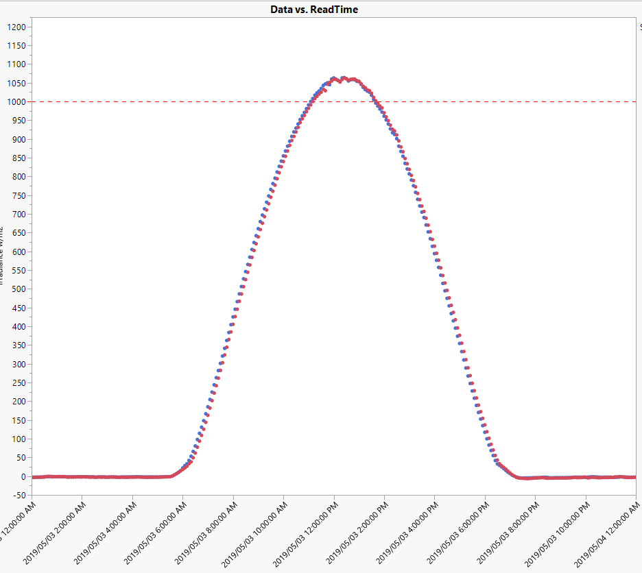
Questions:
1) How many FS-6445 solar panels are required to offset 100% of your electric bill assuming the power conversion from DC to AC is only 80% efficient, and you have 6hrs of sunlight?

2) What is the area in sqft required for the number of solar panels (solar array) required to offset your electric bill?

Answer/Example:
Annual power consumption (kWh) = | 25000 | (enter annual consumption in kWh from utility bill)
Daily power consumption (kWh) = | 68.493150685
Avg. sunlight per day (hrs) | 6 | (based on 1000w/m2)
Number of kilowatts needed to offset 100% of energy used (kW) | 11.415525114
Power conversion factor from DC to AC (kW) | 14.269406393 | (use this number to determine size of solar array)

First Solar Series 6 FS-6445 Solar Panel output at 1000w/m2 (W) | 445
Number of FS-6445 panels required to offset 100% of your electric bill | 32.066081781 | (answer to question #1)

Area of S6 Module (sq ft) | 26.6
Area required for Solar Array (sq ft) | 852.95777538 | (answer to question #2)

 |  |  | Typlical irradiance curve in Mesa in May on clear day

